InsCap2015
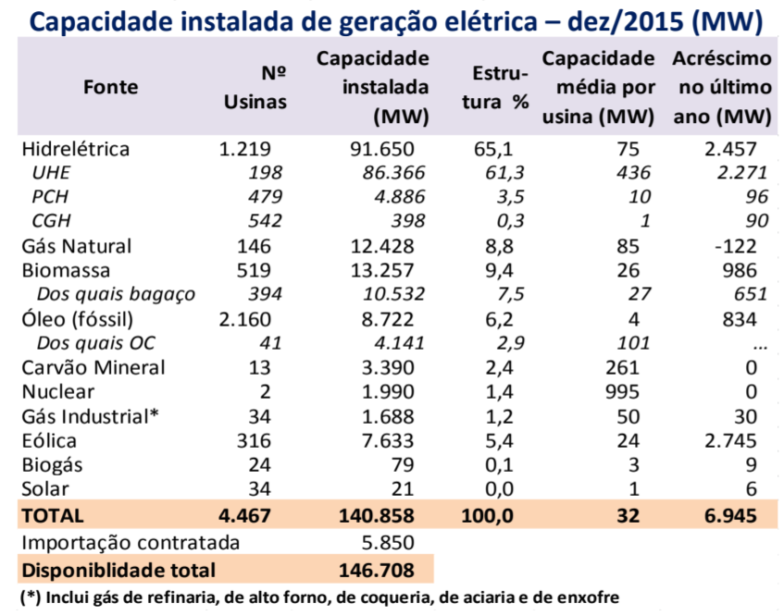
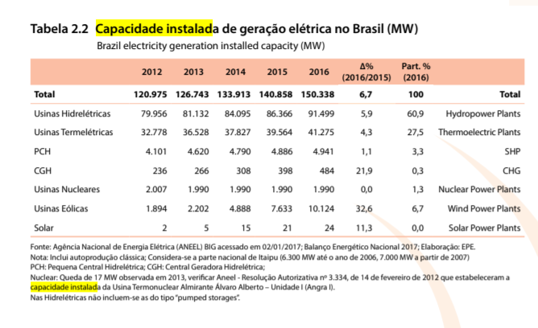
 | Installed Cap 2015 (MW)
Hydro | 91,650
Natural Gas | 12,428
Biomass | 13,257
Oil | 8,722
of which Fuel Oil | 4,141
Coal | 3,390
Nuclear | 1,990
Industrial Gas | 1,688
Wind | 7,633
Biogas | 79
Solar PV | 21
Solar Thermal | 0
Geothermal | 0
Offshore Wind | 0

